...
v4- abril 2019 | 2018 v1

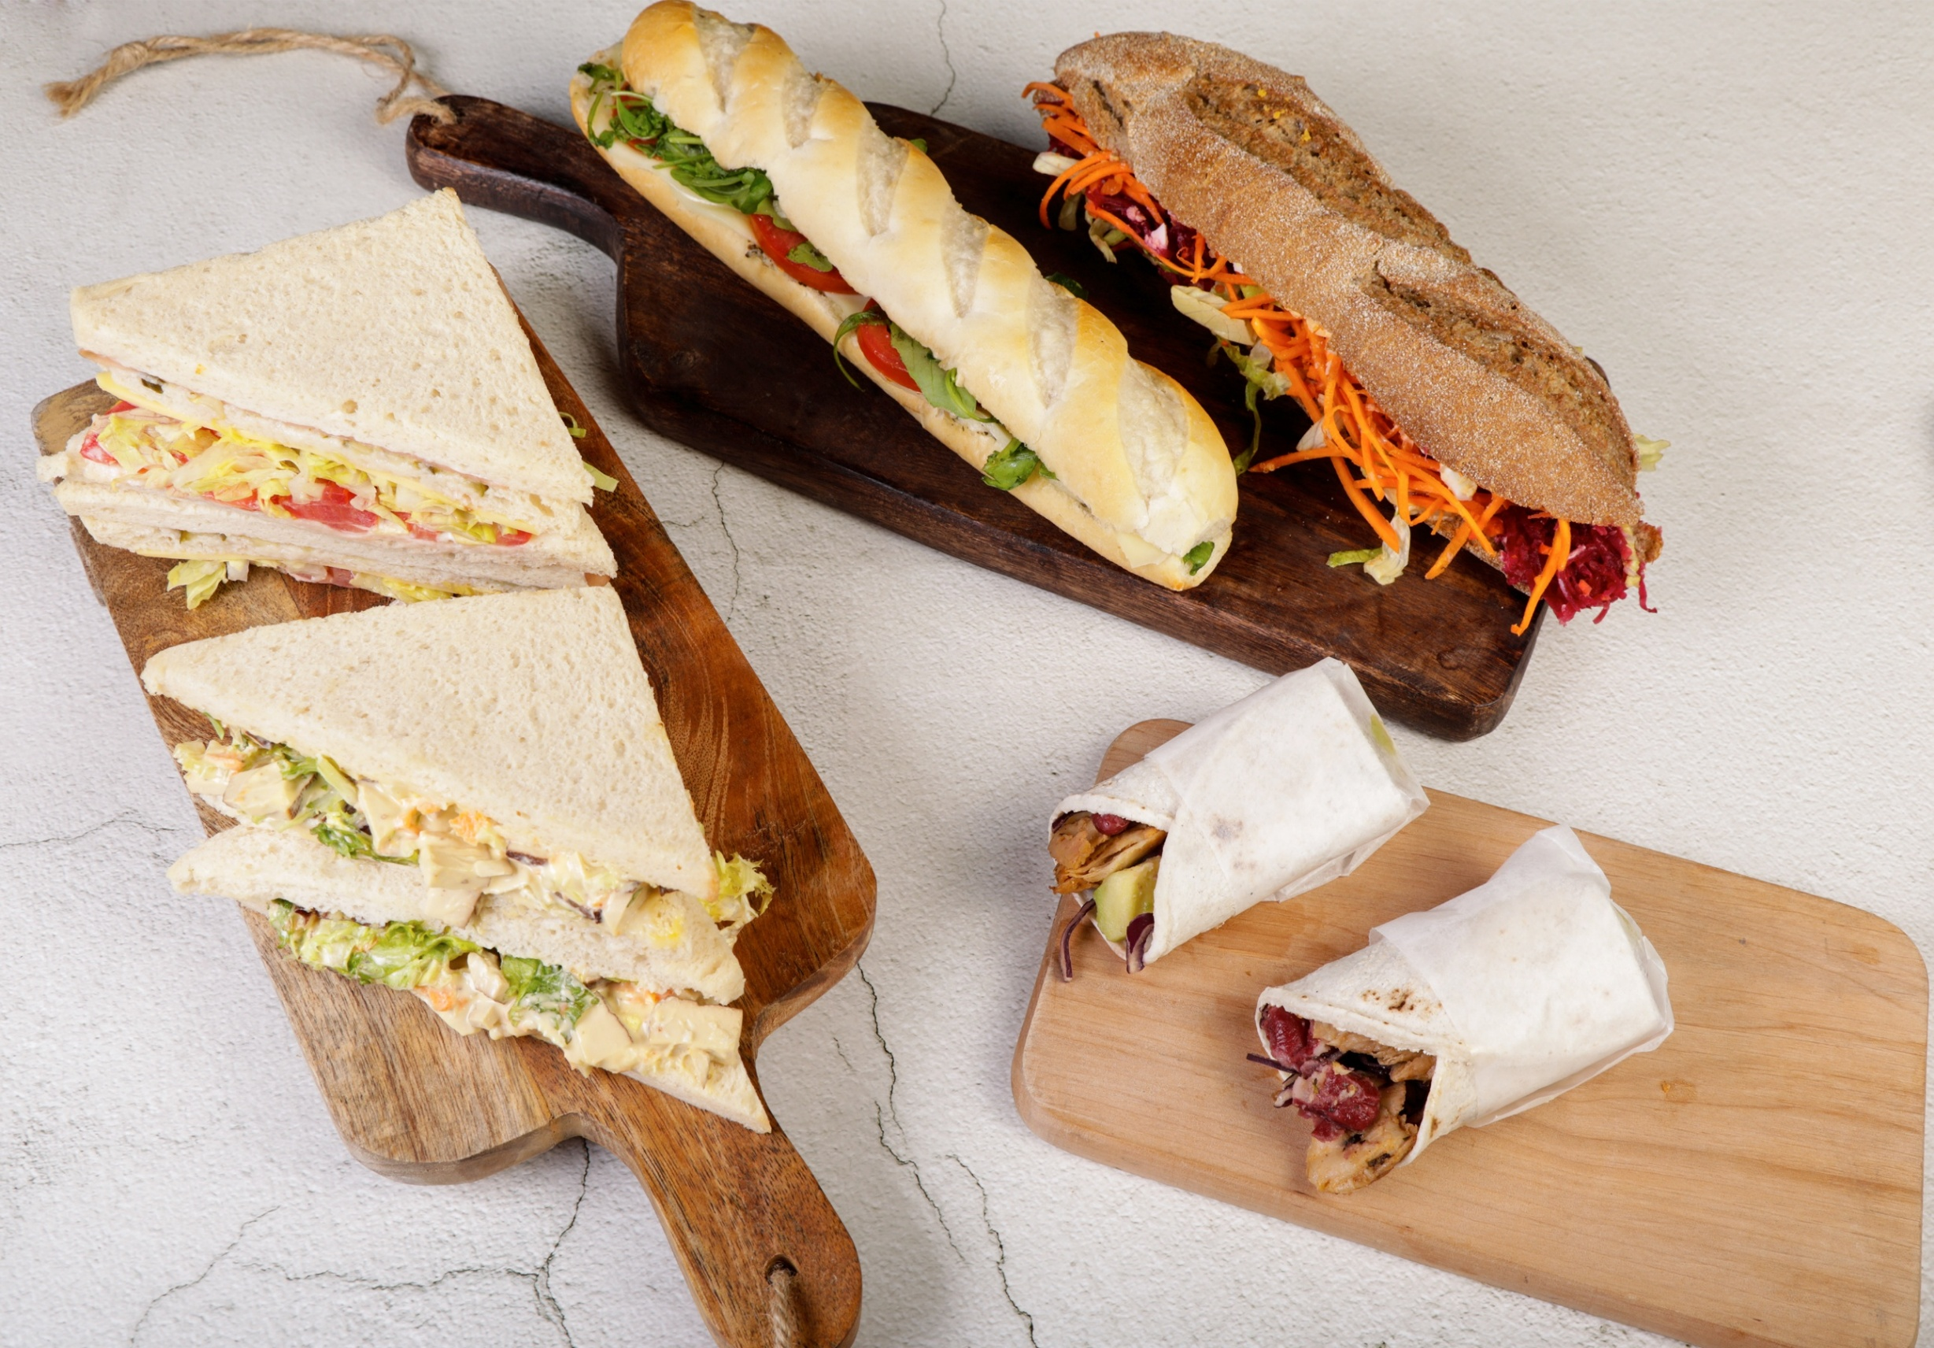

 | SATELLITES F&B Order Form 2026 Formulario SATELLITES F&B 2026

 |  | ATTD 2026

2014v1

WELCOME LETTER
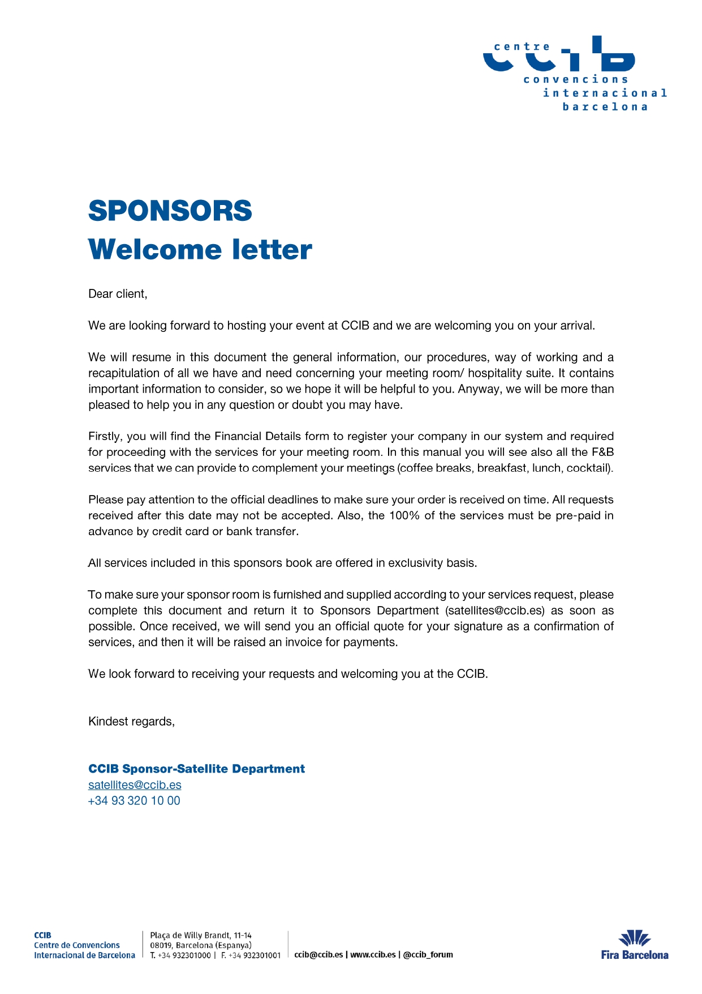
v4- abril 2019 | 2018 v1
v2-dic 2018

2014v1

